Burndown
Burndown (Team One Punch Man)
2018-04-04 | 200 | 198
2018-04-05 | 190 | 191
2018-04-06 | 180 | 182
2018-04-07 | 170 | 173
2018-04-08 | 161 | 156
2018-04-09 | 152 | 147
2018-04-10 | 143 | 138
2018-04-11 | 134 | 132
2018-04-12 | 125 | 127
2018-04-13 | 116 | 123
2018-04-14 | 107 | 115
2018-04-15 | 99 | 109
2018-04-16 | 91 | 102
2018-04-17 | 83 | 87
2018-04-18 | 75 | 83
2018-04-19 | 67 | 70
2018-04-20 | 59 | 64
2018-04-21 | 51 | 52
2018-04-22 | 44 | 39
2018-04-23 | 37 | 27
2018-04-24 | 30 | 12
2018-04-25 | 23 | 5
2018-04-26 | 16 | 3
2018-04-27 | 9 | 1
2018-04-28 | 0 | 0
 | 0 | 0

UI Wireframes

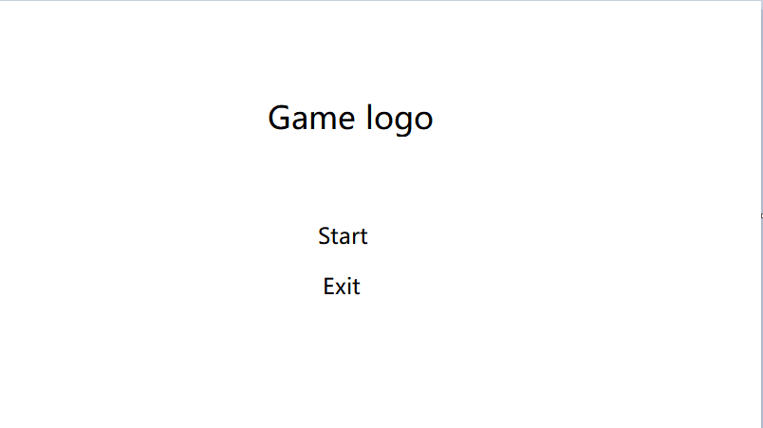
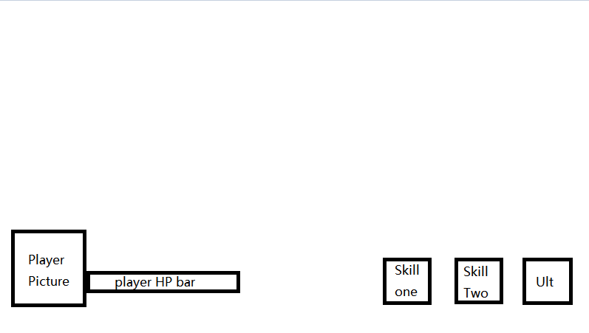

Opening | Menu | Player UI

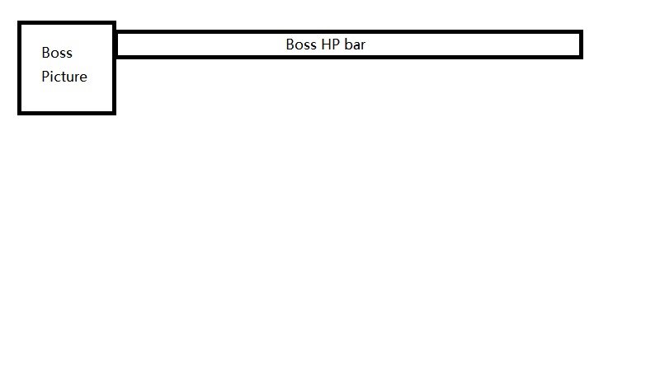
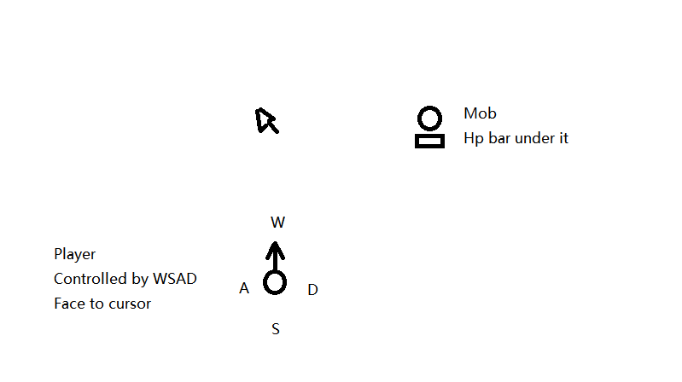


Boss UI | Player and Mobs | Pass/Dead

UML Analysis Models
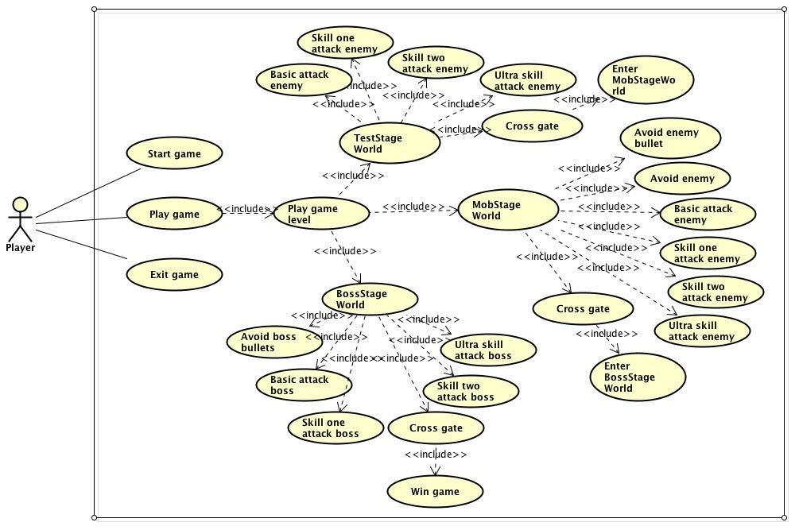
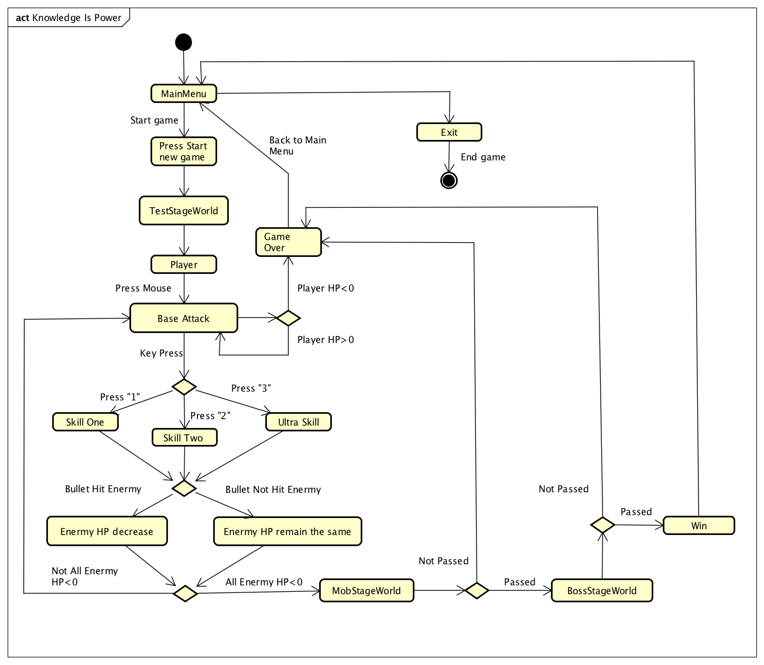

Activity Diagram | Usecase Overview Diagram

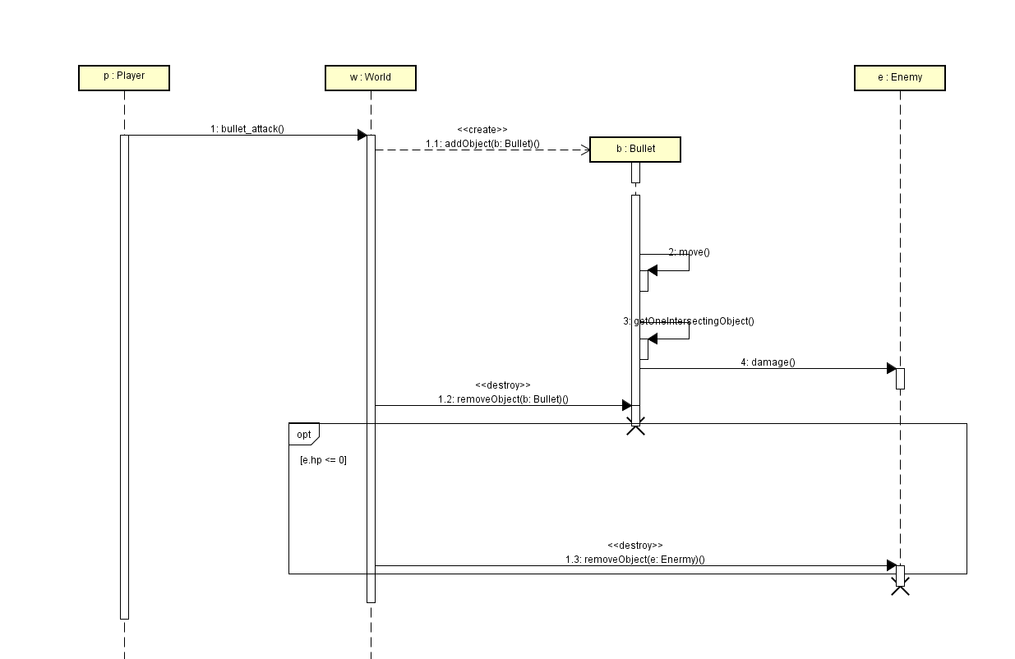

Use Case Specification Sequence Diagram for player basic bullet attack

Domain Model Diagram
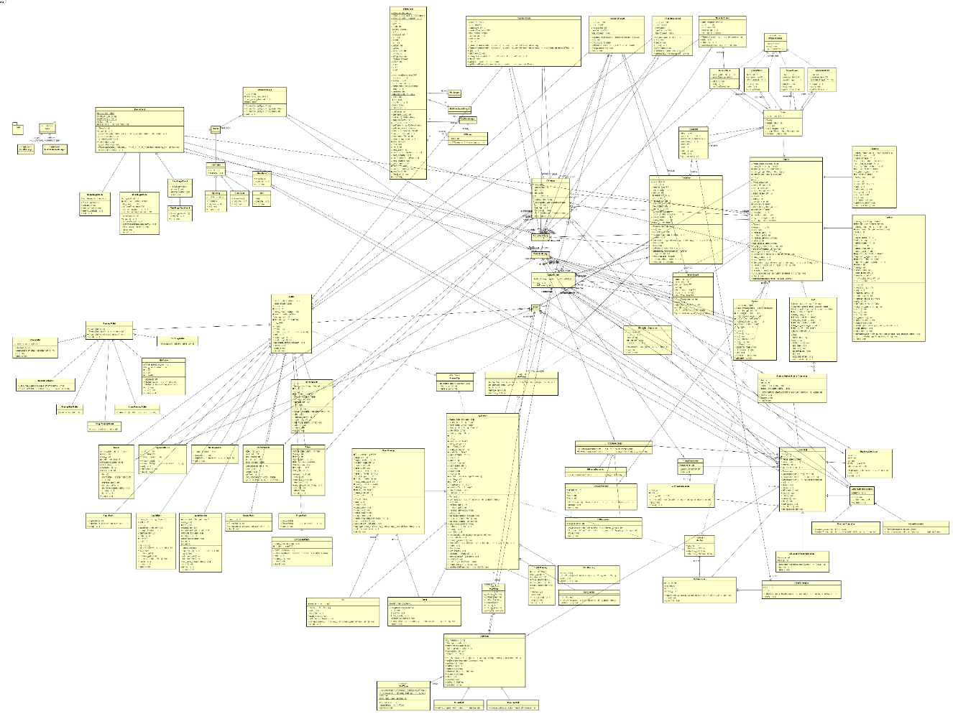

Class Diagram

